ITSR014176
总共修改了36个ADO.bas文件
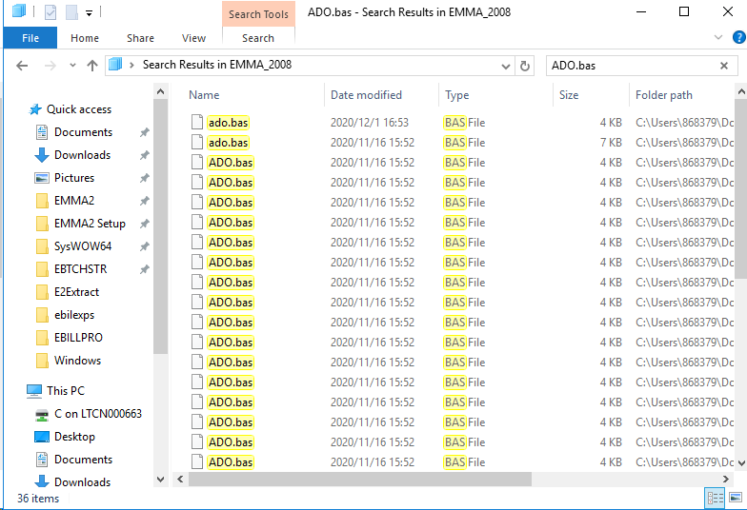

修改例：
C:\Users\868379\Documents\Dino\EMMA_2008 - Copy\ELETTERS\ADO.bas
'CDC-1164
' Acquire a new connection to use the ADO
Sub subADOConnection(ByVal iSQLConn As Integer)
'Begin Add By Luxf ITSR014176(Emma VeraCode Scan) 2020/02/24
Dim strOutStr As String
Call TransferString(sGPassword, strOutStr) | 添加一个新的变量，赋一样的值
'End Add By Luxf ITSR014176(Emma VeraCode Scan) 2020/02/24 | 原Password对象保持不变
If oGConn Is Nothing Then
Else
Set oGConn = Nothing
End If
Set oGConn = New clsAdoDB
With oGConn
.Server = sGServer
.DBase = sGDatabase
.UserID = sGUserId
'Begin Modify By Luxf ITSR014176(Emma VeraCode Scan) 2020/02/28
'.Password = sGPassword | 传给Conn对象
.Password = strOutStr
'End Modify By Luxf ITSR014176(Emma VeraCode Scan) 2020/02/28
.Connect
End With
End Sub

'Begin Add By Luxf ITSR014176(Emma VeraCode Scan) 2020/02/24
Private Sub TransferString(ByVal strInString As String, ByRef strOutString As String)
Dim strTmpString As String

strTmpString = strInString
strOutString = strTmpString

End Sub
'End Add By Luxf ITSR014176(Emma VeraCode Scan) 2020/02/24

